SFC calculation
Calculation of TSFC and PSFC with a Model for Jets [Herrmann 2010]

Cruise Mach number | MCR | 0.80 |  | input |  | Avoid input combinations of => high MCR => low HCR => high BPR
Cruise altitude | HCR | 11000 | m | input
By Pass Ratio | BPR | 6.00 |  | input | BPR < 16,5
Take-off Thrust (one engine) | TTO | 100.00 | kN | input | TTO > 80 kN
Overall Pressure ratio | OAPR | 23.82 |  | estimated; if known it is an input |  |  | = 0,0266785*TTO+3,5168*BPR+0,0556628
Turbine entry temperature | TET | 1440.00 | K | estimated; if known it is an input |  |  | = -8000/TTO+1520
Inlet pressure loss | ΔP/P | 2% |  | plausible input
Inlet efficiency | ηinlet | 0.94 |  | = 1-(1,3+0,25*BPR)*DPP
Fan efficiency | ηfan | 0.86 |  | = -5,978/(5,978+TTO)-MCR*0,1479-0,133498/(0,133498+BPR)+1,05489
Compressor efficiency | ηcomp | 0.86 |  | = -2/(2+TTO)-0,1171127/(0,1171127+BPR)-MCR*0,0541+0,9407245
Turbine efficiency | ηturb | 0.89 |  | = -3,403/(3,403+TTO)+1,04826-MCR*0,15533
Nozzle efficiency | ηnoz | 0.98 |  | = -2,0319/(2,0319+TTO)+1,00764-MCR*0,009868
Temperature (ISA) at SL | T0 | 288.15 | K | constant
Temperature lapse rate in troposhpere | L | 0.0065 | K/m | constant
Temperature (ISA) at tropopause | TS | 216.65 | K | constant
Temperature at cruise altitude | T(H) | 216.65 | K | = WENN(T0-L*HCR<TS;TS;T0-L*HCR)
Dimensionless turbine entry temperature | ϕ | 6.65 |  | = TET/T
Ratio of specific heats, air | g | 1.40 |  | constant
Ratio between stagnation point temperature and temperature | J | 1.13 |  | = 1+(gam-1)/2*MCR^2
Temperature function | c | 1.57 |  | = theta*(OAPR^((gam-1)/gam)-1)
Gas generator efficiency | ηgasgen | 0.98 |  | = 1-(0,7*MCR^2*(1-eta_inlet))/(1+0,2*MCR^2)
Gas generator function | G | 2.19 |  | = (phi-chi/eta_comp)*(1-1,01/(eta_gasgen^((gam-1)/gam)*(chi+theta)*(1-chi/phi/eta_comp/eta_turb)))
Thrust-Specific Fuel Consumption (TSFC) | SFC = c | 0.63 | kg/daN/h | = (0,697*WURZEL(T/T0)*(phi-theta-chi/eta_comp))/(WURZEL(5*eta_noz*(1+eta_fan*eta_turb*BPR)*(G+0,2*MCR^2*BPR*eta_comp/eta_fan/eta_turb))-MCR*(1+BPR))
Thrust-Specific Fuel Consumption (TSFC) | SFC = c | 1.747E-05 | kg/N/s | result

Speed of sound (ISA) at MSL | a0 | 340.294 | m/s | constant
Speed of sound | a | 295.07 | m/s | = a0*WURZEL(T/T0)
Cruise speed | VCR | 236.06 | m/s | = MCR*a
Power-Specific Fuel Consumption (PSFC) | c' = cP | 7.403E-08 | kg/W/s | result | = TSFC/VCR

Comparison with Simplified Calculation of Specific Fuel Consumption (TSFC and PSFC) [Roux 2002 / Scholz]

SFC coefficient | ca,base | 1.15E-05 | kg/(Ns) | constant
SFC coefficient | ca | 3.38E-08 | kg/(Nm) | constant
SFC coefficient | cb,base | 1.04E-05 | kg/(Ns) | constant
SFC coefficient | cb | 9.02E-06 | kg/(Ns) | = cbbase*WURZEL(T0/T) |  |  |  | Check:
Thrust-Specific Fuel Consumption (TSFC) | SFC = c | 1.700E-05 | kg/N/s | result | = ca*VCR+cb | = PSFC*VCR = |  | 1.700E-05
Relative error against Herrmann |  | -2.7% |  | result

Power-Specific Fuel Consumption (PSFC) | c' = cP | 7.200E-08 | kg/W/s | result | = TSFC/VCR | = ca,base/a0+cb,base/a0/M = |  | 7.200E-08
Relative error against Herrmann |  | -2.7% |  | result

Evaluation of Power-Specific Fuel Consumption (PSFC) [Herrmann 2010]

 |  | PSFC [kg/W/s] |  |  |  |  |  |  |  | VCR [m/s]

 | 7.4027016124E-08 | 4000 | 6000 | 8000 | 10000 | 11000 | Roux |  | 236.06 | 4000.00 | 6000.00 | 8000.00 | 10000.00 | 11000.00
 | 0.30 | 1.048E-07 | 1.079E-07 | 1.112E-07 | 1.148E-07 | 1.168E-07 | 1.36E-07 |  | 0.30 | 97.37 | 94.93 | 92.42 | 89.84 | 88.52
 | 0.35 | 9.531E-08 | 9.781E-08 | 1.005E-07 | 1.035E-07 | 1.051E-07 | 1.21E-07 |  | 0.35 | 113.60 | 110.75 | 107.82 | 104.81 | 103.27
 | 0.40 | 8.856E-08 | 9.059E-08 | 9.286E-08 | 9.536E-08 | 9.670E-08 | 1.10E-07 |  | 0.40 | 129.83 | 126.57 | 123.23 | 119.79 | 118.03
 | 0.45 | 8.367E-08 | 8.531E-08 | 8.717E-08 | 8.926E-08 | 9.040E-08 | 1.02E-07 |  | 0.45 | 146.06 | 142.39 | 138.63 | 134.76 | 132.78
 | 0.50 | 8.015E-08 | 8.142E-08 | 8.292E-08 | 8.465E-08 | 8.561E-08 | 9.49E-08 |  | 0.50 | 162.29 | 158.21 | 154.03 | 149.73 | 147.53
 | 0.55 | 7.765E-08 | 7.858E-08 | 7.975E-08 | 8.115E-08 | 8.195E-08 | 8.94E-08 |  | 0.55 | 178.52 | 174.04 | 169.43 | 164.70 | 162.29
 | 0.60 | 7.599E-08 | 7.658E-08 | 7.742E-08 | 7.852E-08 | 7.915E-08 | 8.47E-08 |  | 0.60 | 194.75 | 189.86 | 184.84 | 179.68 | 177.04
 | 0.65 | 7.504E-08 | 7.527E-08 | 7.579E-08 | 7.658E-08 | 7.707E-08 | 8.08E-08 |  | 0.65 | 210.98 | 205.68 | 200.24 | 194.65 | 191.80
 | 0.70 | 7.472E-08 | 7.457E-08 | 7.475E-08 | 7.522E-08 | 7.556E-08 | 7.75E-08 |  | 0.70 | 227.21 | 221.50 | 215.64 | 209.62 | 206.55
 | 0.75 | 7.502E-08 | 7.443E-08 | 7.424E-08 | 7.438E-08 | 7.457E-08 | 7.45E-08 |  | 0.75 | 243.43 | 237.32 | 231.05 | 224.60 | 221.30
 | 0.80 | 7.595E-08 | 7.485E-08 | 7.423E-08 | 7.400E-08 | 7.403E-08 | 7.20E-08 |  | 0.80 | 259.66 | 253.14 | 246.45 | 239.57 | 236.06
 | 0.85 | 7.755E-08 | 7.583E-08 | 7.471E-08 | 7.408E-08 | 7.392E-08 | 6.97E-08 |  | 0.85 | 275.89 | 268.96 | 261.85 | 254.54 | 250.81
 | 0.90 | 7.993E-08 | 7.743E-08 | 7.571E-08 | 7.460E-08 | 7.424E-08 | 6.78E-08 |  | 0.90 | 292.12 | 284.79 | 277.26 | 269.52 | 265.56
Diagrams for BPR:
6.00

 | 4000,00 |  | 6000,00 |  | 8000,00 |  | 10000,00 |  | 11000,00
97.37 | 1.048E-07 | 94.93 | 1.079E-07 | 92.42 | 1.112E-07 | 89.84 | 1.148E-07 | 88.52 | 1.168E-07
113.60 | 9.531E-08 | 110.75 | 9.781E-08 | 107.82 | 1.005E-07 | 104.81 | 1.035E-07 | 103.27 | 1.051E-07
129.83 | 8.856E-08 | 126.57 | 9.059E-08 | 123.23 | 9.286E-08 | 119.79 | 9.536E-08 | 118.03 | 9.670E-08
146.06 | 8.367E-08 | 142.39 | 8.531E-08 | 138.63 | 8.717E-08 | 134.76 | 8.926E-08 | 132.78 | 9.040E-08
162.29 | 8.015E-08 | 158.21 | 8.142E-08 | 154.03 | 8.292E-08 | 149.73 | 8.465E-08 | 147.53 | 8.561E-08
178.52 | 7.765E-08 | 174.04 | 7.858E-08 | 169.43 | 7.975E-08 | 164.70 | 8.115E-08 | 162.29 | 8.195E-08
194.75 | 7.599E-08 | 189.86 | 7.658E-08 | 184.84 | 7.742E-08 | 179.68 | 7.852E-08 | 177.04 | 7.915E-08
210.98 | 7.504E-08 | 205.68 | 7.527E-08 | 200.24 | 7.579E-08 | 194.65 | 7.658E-08 | 191.80 | 7.707E-08
227.21 | 7.472E-08 | 221.50 | 7.457E-08 | 215.64 | 7.475E-08 | 209.62 | 7.522E-08 | 206.55 | 7.556E-08
243.43 | 7.502E-08 | 237.32 | 7.443E-08 | 231.05 | 7.424E-08 | 224.60 | 7.438E-08 | 221.30 | 7.457E-08
259.66 | 7.595E-08 | 253.14 | 7.485E-08 | 246.45 | 7.423E-08 | 239.57 | 7.400E-08 | 236.06 | 7.403E-08
275.89 | 7.755E-08 | 268.96 | 7.583E-08 | 261.85 | 7.471E-08 | 254.54 | 7.408E-08 | 250.81 | 7.392E-08
292.12 | 7.993E-08 | 284.79 | 7.743E-08 | 277.26 | 7.571E-08 | 269.52 | 7.460E-08 | 265.56 | 7.424E-08
 |  |  |  |  |  |  |  | Roux fits for e.g.
 |  |  |  |  |  |  |  | MCR | 0.75
 |  |  |  |  |  |  |  | HCR | 10000 | m
 |  |  |  |  |  |  |  | BPR | 6
 |  |  |  |  |  |  |  | TTO | 100 | kN
 |  |  |  |  |  |  |  | OAPR | 21.15
 |  |  |  |  |  |  |  | TET | 1440 | K

 |  |  |  |  |  |  |  | Note: PSFC(MCR) "Roux" is
 |  |  |  |  |  |  |  | independent of altitude

 |  |  |  |  |  |  |  |  | PSFC calculated
 |  |  |  |  |  |  |  |  | for different
 |  |  |  |  |  |  |  |  | altitudes (in m)
 |  |  |  |  |  |  |  |  | with Herrmann

 |  |  |  |  |  |  |  |  | PSFC in the stratosphere
 |  |  |  |  |  |  |  |  | is given as
 |  |  |  |  |  |  |  |  | 4th oder polynomial

Note: For altitudes above 11 km (in the stratosphere) PSFC is the same as for 11 km = 11000 m.

Evaluation of Thrust-Specific Fuel Consumption (TSFC) [Herrmann 2010]

 |  | TSFC [kg/N/s] |  |  |  |  |  |  |  | VCR [m/s] |  |  |  |  | PSFC [kg/W/s]

 | 1.747E-05 | 4000 | 6000 | 8000 | 10000 | 11000 |  |  | 236.06 | 4000 | 6000 | 8000 | 10000 | 11000 | Roux
 | 0.00 | 7.253E-06 | 7.395E-06 | 7.534E-06 | 7.670E-06 | 7.738E-06 |  |  | 0.00 | 0.00 | 0.00 | 0.00 | 0.00 | 0.00
 | 0.05 | 7.666E-06 | 7.798E-06 | 7.926E-06 | 8.052E-06 | 8.114E-06 |  |  | 0.05 | 16.23 | 15.82 | 15.40 | 14.97 | 14.75 | 6.45E-07
 | 0.10 | 8.108E-06 | 8.226E-06 | 8.342E-06 | 8.455E-06 | 8.511E-06 |  |  | 0.10 | 32.46 | 31.64 | 30.81 | 29.95 | 29.51 | 3.39E-07
 | 0.15 | 8.580E-06 | 8.683E-06 | 8.783E-06 | 8.882E-06 | 8.930E-06 |  |  | 0.15 | 48.69 | 47.46 | 46.21 | 44.92 | 44.26 | 2.38E-07
 | 0.20 | 9.085E-06 | 9.169E-06 | 9.251E-06 | 9.333E-06 | 9.373E-06 |  |  | 0.20 | 64.92 | 63.29 | 61.61 | 59.89 | 59.01 | 1.87E-07
 | 0.25 | 9.625E-06 | 9.687E-06 | 9.749E-06 | 9.810E-06 | 9.840E-06 |  |  | 0.25 | 81.14 | 79.11 | 77.02 | 74.87 | 73.77 | 1.56E-07
 | 0.30 | 1.020E-05 | 1.024E-05 | 1.028E-05 | 1.032E-05 | 1.034E-05 |  |  | 0.30 | 97.37 | 94.93 | 92.42 | 89.84 | 88.52 | 1.36E-07
 | 0.35 | 1.083E-05 | 1.083E-05 | 1.084E-05 | 1.085E-05 | 1.086E-05 |  |  | 0.35 | 113.60 | 110.75 | 107.82 | 104.81 | 103.27 | 1.21E-07
 | 0.40 | 1.150E-05 | 1.147E-05 | 1.144E-05 | 1.142E-05 | 1.141E-05 |  |  | 0.40 | 129.83 | 126.57 | 123.23 | 119.79 | 118.03 | 1.10E-07
 | 0.45 | 1.222E-05 | 1.215E-05 | 1.208E-05 | 1.203E-05 | 1.200E-05 |  |  | 0.45 | 146.06 | 142.39 | 138.63 | 134.76 | 132.78 | 1.02E-07
 | 0.50 | 1.301E-05 | 1.288E-05 | 1.277E-05 | 1.268E-05 | 1.263E-05 |  |  | 0.50 | 162.29 | 158.21 | 154.03 | 149.73 | 147.53 | 9.49E-08
 | 0.55 | 1.386E-05 | 1.368E-05 | 1.351E-05 | 1.337E-05 | 1.330E-05 |  |  | 0.55 | 178.52 | 174.04 | 169.43 | 164.70 | 162.29 | 8.94E-08
 | 0.60 | 1.480E-05 | 1.454E-05 | 1.431E-05 | 1.411E-05 | 1.401E-05 |  |  | 0.60 | 194.75 | 189.86 | 184.84 | 179.68 | 177.04 | 8.47E-08
 | 0.65 | 1.583E-05 | 1.548E-05 | 1.518E-05 | 1.491E-05 | 1.478E-05 |  |  | 0.65 | 210.98 | 205.68 | 200.24 | 194.65 | 191.80 | 8.08E-08
 | 0.70 | 1.698E-05 | 1.652E-05 | 1.612E-05 | 1.577E-05 | 1.561E-05 |  |  | 0.70 | 227.21 | 221.50 | 215.64 | 209.62 | 206.55 | 7.75E-08
 | 0.75 | 1.826E-05 | 1.766E-05 | 1.715E-05 | 1.671E-05 | 1.650E-05 |  |  | 0.75 | 243.43 | 237.32 | 231.05 | 224.60 | 221.30 | 7.45E-08
 | 0.80 | 1.972E-05 | 1.895E-05 | 1.829E-05 | 1.773E-05 | 1.747E-05 |  |  | 0.80 | 259.66 | 253.14 | 246.45 | 239.57 | 236.06 | 7.20E-08
 | 0.85 | 2.140E-05 | 2.039E-05 | 1.956E-05 | 1.886E-05 | 1.854E-05 |  |  | 0.85 | 275.89 | 268.96 | 261.85 | 254.54 | 250.81 | 6.97E-08
 | 0.90 | 2.335E-05 | 2.205E-05 | 2.099E-05 | 2.011E-05 | 1.971E-05 |  |  | 0.90 | 292.12 | 284.79 | 277.26 | 269.52 | 265.56 | 6.78E-08

 |  |  |  |  |  |  |  |  | TSFC calculated
 |  |  |  |  |  |  |  |  | for different
 |  |  |  |  |  |  |  |  | altitudes (in m)

 |  |  |  |  |  |  |  |  | TSFC in the stratosphere
 |  |  |  |  |  |  |  |  | is given as
 |  |  |  |  |  |  |  |  | 4th oder polynomial

Evaluation of Thrust-Specific Fuel Consumption (TSFC) [Roux 2002]
TSFC from Roux Compared with Herrmann
 |  | TSFC [kg/N/s]

 |  | 4000 | 6000 | 8000 | 10000 | 11000
 | 0.00
 | 0.05 | 1.05E-05 | 1.02E-05 | 9.94E-06 | 9.66E-06 | 9.52E-06
 | 0.10 | 1.10E-05 | 1.07E-05 | 1.05E-05 | 1.02E-05 | 1.00E-05
 | 0.15 | 1.16E-05 | 1.13E-05 | 1.10E-05 | 1.07E-05 | 1.05E-05
 | 0.20 | 1.21E-05 | 1.18E-05 | 1.15E-05 | 1.12E-05 | 1.10E-05
 | 0.25 | 1.27E-05 | 1.23E-05 | 1.20E-05 | 1.17E-05 | 1.15E-05
 | 0.30 | 1.32E-05 | 1.29E-05 | 1.25E-05 | 1.22E-05 | 1.20E-05
 | 0.35 | 1.38E-05 | 1.34E-05 | 1.31E-05 | 1.27E-05 | 1.25E-05
 | 0.40 | 1.43E-05 | 1.39E-05 | 1.36E-05 | 1.32E-05 | 1.30E-05
 | 0.45 | 1.49E-05 | 1.45E-05 | 1.41E-05 | 1.37E-05 | 1.35E-05
 | 0.50 | 1.54E-05 | 1.50E-05 | 1.46E-05 | 1.42E-05 | 1.40E-05
 | 0.55 | 1.60E-05 | 1.56E-05 | 1.51E-05 | 1.47E-05 | 1.45E-05
 | 0.60 | 1.65E-05 | 1.61E-05 | 1.57E-05 | 1.52E-05 | 1.50E-05
 | 0.65 | 1.70E-05 | 1.66E-05 | 1.62E-05 | 1.57E-05 | 1.55E-05
 | 0.70 | 1.76E-05 | 1.72E-05 | 1.67E-05 | 1.62E-05 | 1.60E-05
 | 0.75 | 1.81E-05 | 1.77E-05 | 1.72E-05 | 1.67E-05 | 1.65E-05
 | 0.80 | 1.87E-05 | 1.82E-05 | 1.77E-05 | 1.72E-05 | 1.70E-05
 | 0.85 | 1.92E-05 | 1.88E-05 | 1.83E-05 | 1.78E-05 | 1.75E-05
 | 0.90 | 1.98E-05 | 1.93E-05 | 1.88E-05 | 1.83E-05 | 1.80E-05

Equations Herrmann
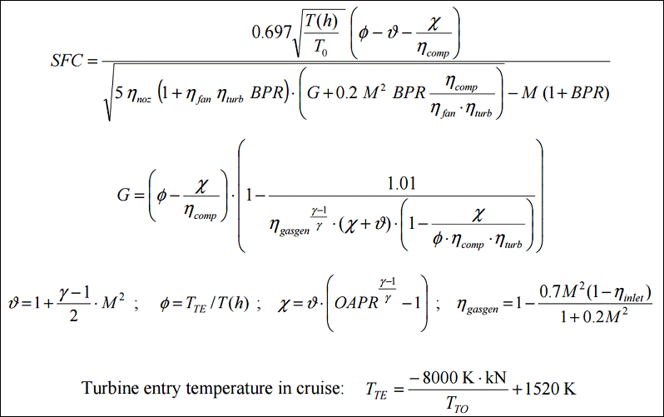
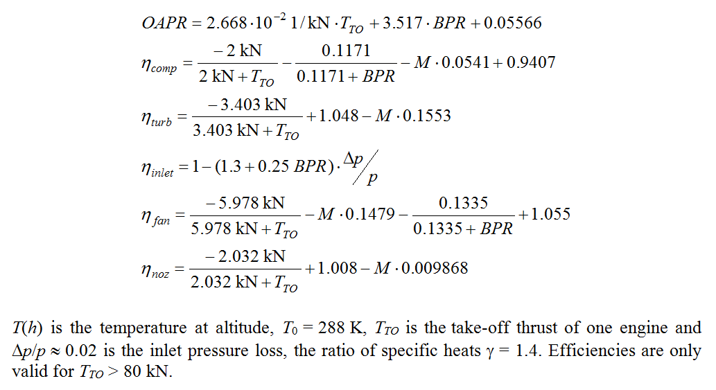
TSFC and PSFC Model for Jets (Herrmann 2010)

Equations Roux-Scholz
TSFC and PSFC Model for Jets (Roux 2002 and Scholz)

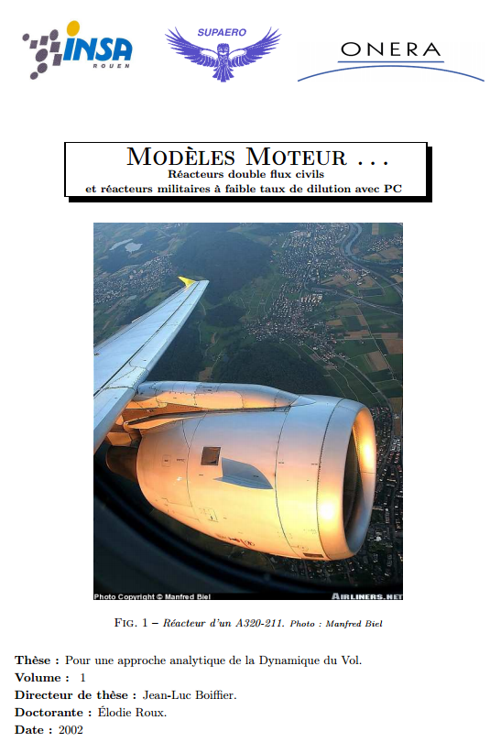
Mattingly corrected by Roux 2002:

 | http://elodieroux.com/ReportFiles/ModelesMoteurVersionPublique.pdf

